Specification
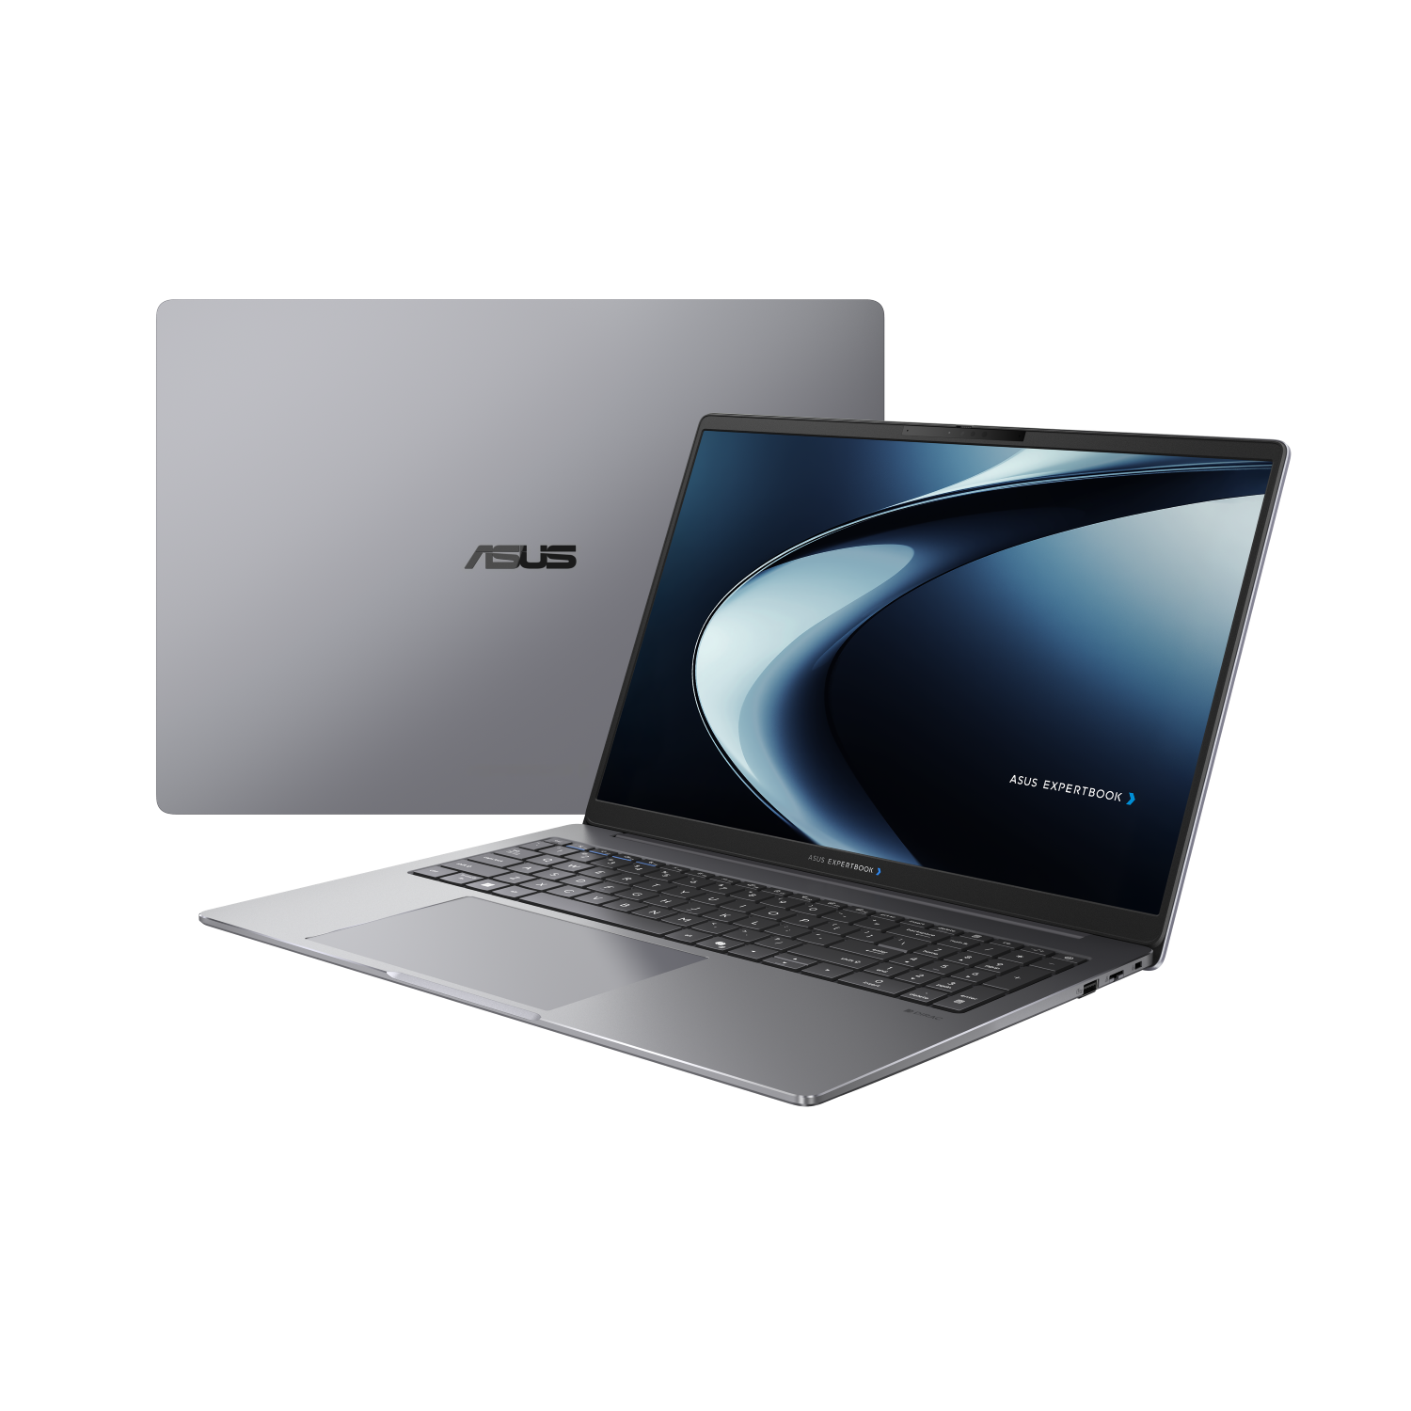

Part No | 90NX0981-M00XE0
Sales Model Name | PM5606CKA-MB0818
EAN Code | 4711636565578
UPC Code | 199291565579
WEEE | 1.35
BASE UNIT | VSNX0981-BU0413

Operating System | Non-preinstalled OS
LCD cover-material | Aluminum
LCD cover-color | Misty Grey
Top case-material | Aluminum
Top case-color | Misty Grey
Bottom case-material | Aluminum
Bottom case-color | Misty Grey
Military grade | US MIL-STD 810H military-grade standard
Panel Size | 16.0-inch
Backlit | LED Backlit
Brightness | 300nits
Resolution | WUXGA (1920 x 1200) 16:10
Glare | Anti-glare display
Color gamut | NTSC: 45%
View angle(H/V) | 178/178
Response time(Typ/Max) (ms) | 25/30
Refresh rate | 60Hz
Contrast (Typ) | 1000:1
Touch Panel | Non-touch screen
Screen-to-body ratio | 88 %
IPS-level | Wide view
Processor | AMD Ryzen™AI 5 330 Processor 2.0GHz (8MB Cache, up to 4.5 GHz, 4 cores, 8 Threads); AMD XDNA™ NPU up to 50 TOPS
Neural processor | AMD Ryzen™ AI over 40 TOPs
Chipset | N/A
Discrete/Share | Share
Integrated GPU | AMD Radeon™ 820M
VRAM | N/A
How to upgrade memory | Upgradable; Need to remove bottom/top case
Expansion Slot(includes used) | 2x DDR5 SO-DIMM slots 1x M.2 2280 PCIe 4.0x4 1x M.2 2230 PCIe 4.0x4
DIMM Memory | 16GB DDR5 SO-DIMM
Total System Memory | DDR5 16GB
Storage | 512GB M.2 2280 NVMe™ PCIe® 4.0 SSD
Front-facing camera | 1080p FHD camera With privacy shutter
Wireless | Wi-Fi 7(802.11be) (Triple band) 2*2 + Bluetooth® 5.4 Wireless Card
NumberPad | N/A
FingerPrint | FingerPrint
Keyboard type | Backlit Chiclet Keyboard with Num-key
Keyboard language | Ukrainian
I/O ports | 2x USB 3.2 Gen 1 Type-A 2x USB 3.2 Gen 2 Type-C support display / power delivery 1x HDMI 2.1 TMDS 1x 3.5mm Combo Audio Jack 1x RJ45 Gigabit Ethernet
Audio | Audio by Dirac Smart Amp Technology Built-in speaker Built-in array microphone
Battery | 70WHrs, 4S1P, 4-cell Li-ion
AC Adapter | TYPE-C, 65W AC Adapter, Output: 20V DC, 3.25A, 65W, Input: 100~240V AC 50/60Hz universal (Adapter+power cord)
Required charging power | Min: 55W Max: 65W *The indicated wattage is for demonstrating the system’s support capability as required by EU regulations. For optimal system performance, please use the standard-wattage adapter or higher.
Dimension (WxHxD) | 35.84 x 25.35 x 1.79 ~ 1.80 cm (14.11" x 9.98" x 0.70" ~ 0.71")
Starting Weight (with Battery) | 1.87 kg (4.12 lbs)
Starting Weight (w/o Battery) | 1.61 kg (3.55 lbs)
Security | Fingerprint sensor integrated with Power Key Kensington Nano Security Slot™(6x 2.5mm) Support Absolute Persistence 2.0 (Computrace) BIOS Self Recovery Trusted Platform Module (TPM) 2.0 Microsoft Security Level 3 BIOS Integrity Measurement Support Microsoft Secured-core PC N/A
MyASUS feature | System diagnosis Battery health charging Fan Profile Splendid Function key lock WiFi SmartConnect AppDeals Link to MyASUS
MyExpert Features | ExpertMeet(Only Watermark)
Built-in Apps | AI ExpertMeet (watermark only) MyASUS
Disclaimer for Built-in Apps | Built-in Apps vary from OS SKU. *MyASUS/McAfee don't support in Clean Build/without OS/G sku/Win SE/Windows on ARM/Linux OS (ex. Endless, Kylin, Ubuntu)
Reparability Index (for Belgium) | 93.4
Reparability Index (for France) | 97.7
Ecolabels & Compliances | FSC Recycled TCO Certified
Base Warranty | 1Y Carry-In
Recommended Warranty Package Part number//Extension and/or upgrade service from base warranty | *If you would like to know the details, please contact your sales teams.
Battery warranty | Commercial NB P series Battery warranty follow system warranty.
Sustainable Material_Top cover(A part) | 30% PCR recycled plastic(cover or inner frame) 30% PIR recycled aluminum
Sustainable Material_Keyboard frame (C part) | 30% PCR recycled plastic(cover or inner frame) 30% PIR recycled aluminum
Sustainable Material_Bottom cover (D part) | 30% PCR recycled plastic(cover or inner frame) 30% PIR recycled aluminum
Sustainable Material_Keyboard | 50% PCR recycled plastic cap 50% PIR recycled aluminum bracket
Sustainable Material_Speaker | 45% PCR + 5% OBP PCR recycled plastic enclosure
Sustainable Material_Total PCR recycled plastic | 22%

